Summary Evl
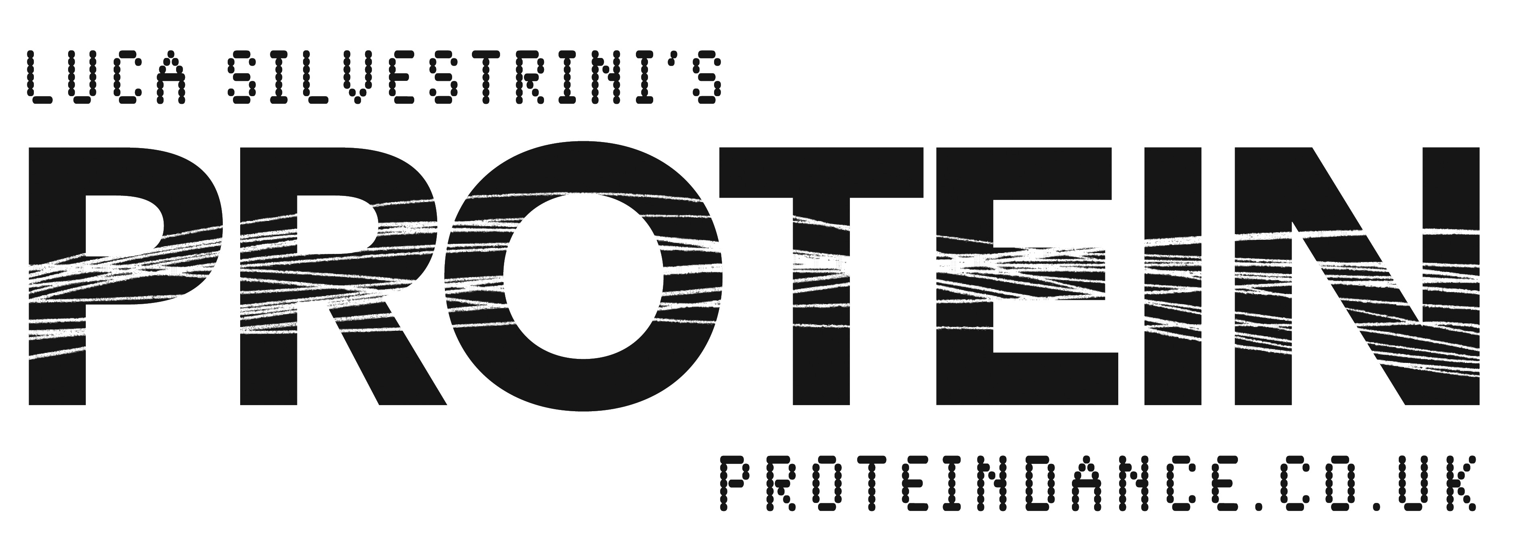

PARTICIPANTS - EVALUATIONS

In the last year how often have you taken part in the following: | Project | (All)

 | Row Labels | Count of In the last year how often have you taken part in creative, artistic, dance, theatrical or music activity? | Count of In the last year how often have you attended a performance, or festival involving creative, artistic, dance, theatrical or musical activity | Count of In the last year how often have you attened a museum, gallery or other historic attraction
 | Not in the last 12 months | 12 | 11 | 11
 | Once | 6 | 6 | 6
 | Three or more times | 72 | 67 | 68
 | Twice | 4 | 4 | 4
 | (blank) |  | 1 | 2
 | Grand Total | 94 | 89 | 91

How would you describe yourself? | Project | (All)

 | Row Labels | Count of How would you describe yourself?
 | Attend classes occasionally | 2
 | Attened classes regularly | 32
 | Capoeira | 3
 | Cheerleader | 11
 | Dance student or in dance training | 23
 | Dancer for pleasure | 1
 | Ex - dancer | 1
 | Gym dance | 1
 | Martial Arts | 1
 | Member of a dance company | 14
 | Musician | 2
 | Non-dancer | 5
 | Social Dancer | 1
 | (blank)
 | Freelance Dance artist | 1
 | Grand Total | 98
How much do you consider the project has contributed to your dance practice?

 | Project | (All)

 | Row Labels | Count of How would you describe yourself?
 | Attend classes occasionally | 2
 | Attened classes regularly | 32
 | Capoeira | 3
 | Cheerleader | 11
 | Dance student or in dance training | 23
 | Dancer for pleasure | 1
 | Ex - dancer | 1
 | Gym dance | 1
 | Martial Arts | 1
 | Member of a dance company | 14
 | Musician | 2
 | Non-dancer | 5
 | Social Dancer | 1
 | (blank)
 | Freelance Dance artist | 1
 | Grand Total | 98

 | Project | (All)
What were your main reasons for participating
 | Row Labels | Count of What were your main reasons for participating
 | Because it's supported by Hull UK City of Culture 17 | 52
 | General interest for this type of event | 5
 | Hired by the company | 1
 | I was paid | 1
First Choice | It's a unique experience not to be missed | 29
 | Role models have infulenced me to get involved | 3
 | Trying something new or different | 3
 | Wanted to see/ do something creative | 1
 | We were asked | 3
 | (blank)
 | Grand Total | 98

 | Project | (All)

 | Row Labels | Count of What were your main reasons for participating
 | General interest for this type of event | 8
 | It's a unique experience not to be missed | 30
 | Role models have infulenced me to get involved | 3
 | Something to do with friends/family | 2
Second Choice | specific interest in Protein Dance | 3
 | Trying something new or different | 8
 | Wanted to see/ do something active | 1
 | Wanted to see/ do something creative | 11
 | (blank)
 | Wanted to see / do somethingcreative | 1
 | Grand Total | 67

 | Project | (All)

 | Row Labels | Count of What were your main reasons for participating2
 | General interest for this type of event | 6
 | Role models have infulenced me to get involved | 2
 | Something to do with friends/family | 8
Third Choice | specific interest in Protein Dance | 6
 | Supports Hull Tango | 1
 | To give something back | 1
 | Trying something new or different | 19
 | Wanted to see/ do something active | 1
 | Wanted to see/ do something creative | 10
 | (blank)
 | Grand Total | 54

 | Total
3 | 1
4 | 1
5 | 2
6 | 3
7 | 11
8 | 16
9 | 13
10 | 51
(blank)

How likely are you to recommed (in)visible dancing?
 | Row Labels | Count of How likely are you to recommed (in)visible dancing?
 | 3 | 1
 | 4 | 1
 | 5 | 2
 | 6 | 3
 | 7 | 11
 | 8 | 16
 | 9 | 13
 | 10 | 51
 | (blank)
 | Grand Total | 98

 | Project | (All)
Would you agree with the following statements?
 | Row Labels | Count of Was invisible dancing an enjoyable expereince? 2 | Count of (In)Visible dancing places the community at the centre | Count of I felt welcomed by staff/volunteers | Count of Gives everyone the chance to share and celebrate expereinces together | Count of Has shown me that there is more to Hull than I expected | Count of Has encouraged me to attend more similar events in the future | Count of Has made me want to take risks when choosing what arts and culture I choose to see | Count of Has given me the opptunity to interact with other people who I wouldn’t have normally interacted with
 | Agree | 34 | 32 | 34 | 32 | 33 | 34 | 33 | 34
 | Neither agree nor disagree | 3 | 3 | 3 | 3 | 3 | 2 | 2 | 3
 | Strongly agree | 56 | 52 | 55 | 55 | 54 | 54 | 54 | 56
 | (blank) |  | 1 | 1 | 1 | 1 | 1 | 1 | 1
 | Strongly disagree | 1 | 1 | 1 | 1 | 1 | 1 | 1 | 1
 | Strongly agree | 1 | 1 | 1 | 1 | 1 | 1 | 1 | 1
 | Grand Total | 95 | 90 | 95 | 93 | 93 | 93 | 92 | 96

Overall feel and experience of (In)visible dancing:
 | Project | (All)

 | Row Labels | Count of It was an interesting idea
 | 5 | 4
 | 6 | 1
 | 7 | 4
 | 8 | 11
 | 9 | 14
 | 10 | 60
 | (blank)
 | Grand Total | 94

 | Project | (All)

 | Row Labels | Count of It was well produced and presented
 | 5 | 1
 | 6 | 5
 | 7 | 7
 | 8 | 8
 | 9 | 19
 | 10 | 51
 | (blank)
 | Grand Total | 91

 | Project | (All)

 | Row Labels | Count of It was different from things I've exerienced before
 | 3 | 1
 | 5 | 4
 | 6 | 3
 | 7 | 8
 | 8 | 12
 | 9 | 13
 | 10 | 51
 | (blank)
 | Grand Total | 92

 | Project | (All)

 | Row Labels | Count of It was thought provoking
 | 3 | 1
 | 4 | 1
 | 5 | 5
 | 6 | 11
 | 7 | 8
 | 8 | 11
 | 9 | 16
 | 10 | 37
 | (blank)
 | Grand Total | 90

 | Project | (All)

 | Row Labels | Count of It was absorbing and held my attention
 | 4 | 1
 | 5 | 6
 | 6 | 6
 | 7 | 6
 | 8 | 15
 | 9 | 12
 | 10 | 45
 | (blank)
 | Grand Total | 91

 | Project | (All)

 | Row Labels | Count of I would come to something like this again
 | 2 | 1
 | 4 | 1
 | 5 | 4
 | 6 | 2
 | 7 | 4
 | 8 | 11
 | 9 | 14
 | 10 | 54
 | (blank)
 | Grand Total | 91

 | Project | (All)

 | Row Labels | Count of It is important that it’s happening in Hull
 | 3 | 2
 | 5 | 3
 | 6 | 2
 | 7 | 4
 | 8 | 6
 | 9 | 20
 | 10 | 55
 | (blank)
 | Grand Total | 92

 | Project | (All)

 | Row Labels | Count of It has something to say about the world in which we live
 | 0 | 1
 | 3 | 2
 | 4 | 1
 | 5 | 4
 | 6 | 2
 | 7 | 7
 | 8 | 14
 | 9 | 16
 | 10 | 43
 | (blank)
 | Grand Total | 90

 | Project | (All)

 | Row Labels | Count of It was well thought through and put together
 | 5 | 1
 | 6 | 1
 | 7 | 6
 | 8 | 12
 | 9 | 18
 | 10 | 53
 | (blank)
 | Grand Total | 91

Since taking part in (In)Visible Dancing, have you been inspired to get more involved in new projects and activities?

 | Project | (All)

 | Row Labels | Count of Since taking part in (In)Visible dancing, have you been inspiered to get involved with new projects and activities?
 | Don't know | 18
 | No | 5
 | Yes | 69
 | (blank)
 | Grand Total | 92

